Schema and RisKG
 |  |  |  |  |  |  |  | Figure 3 | Risk Knowledge graph (RisKG) for the Terminal project
RisKG ontology model (DB schema)

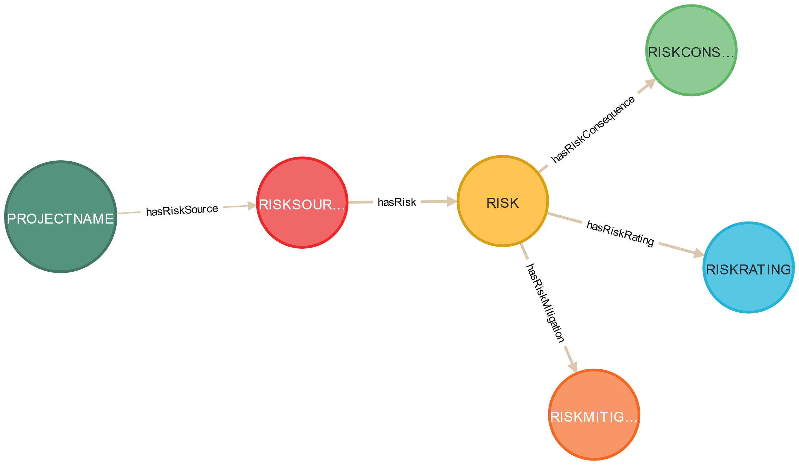

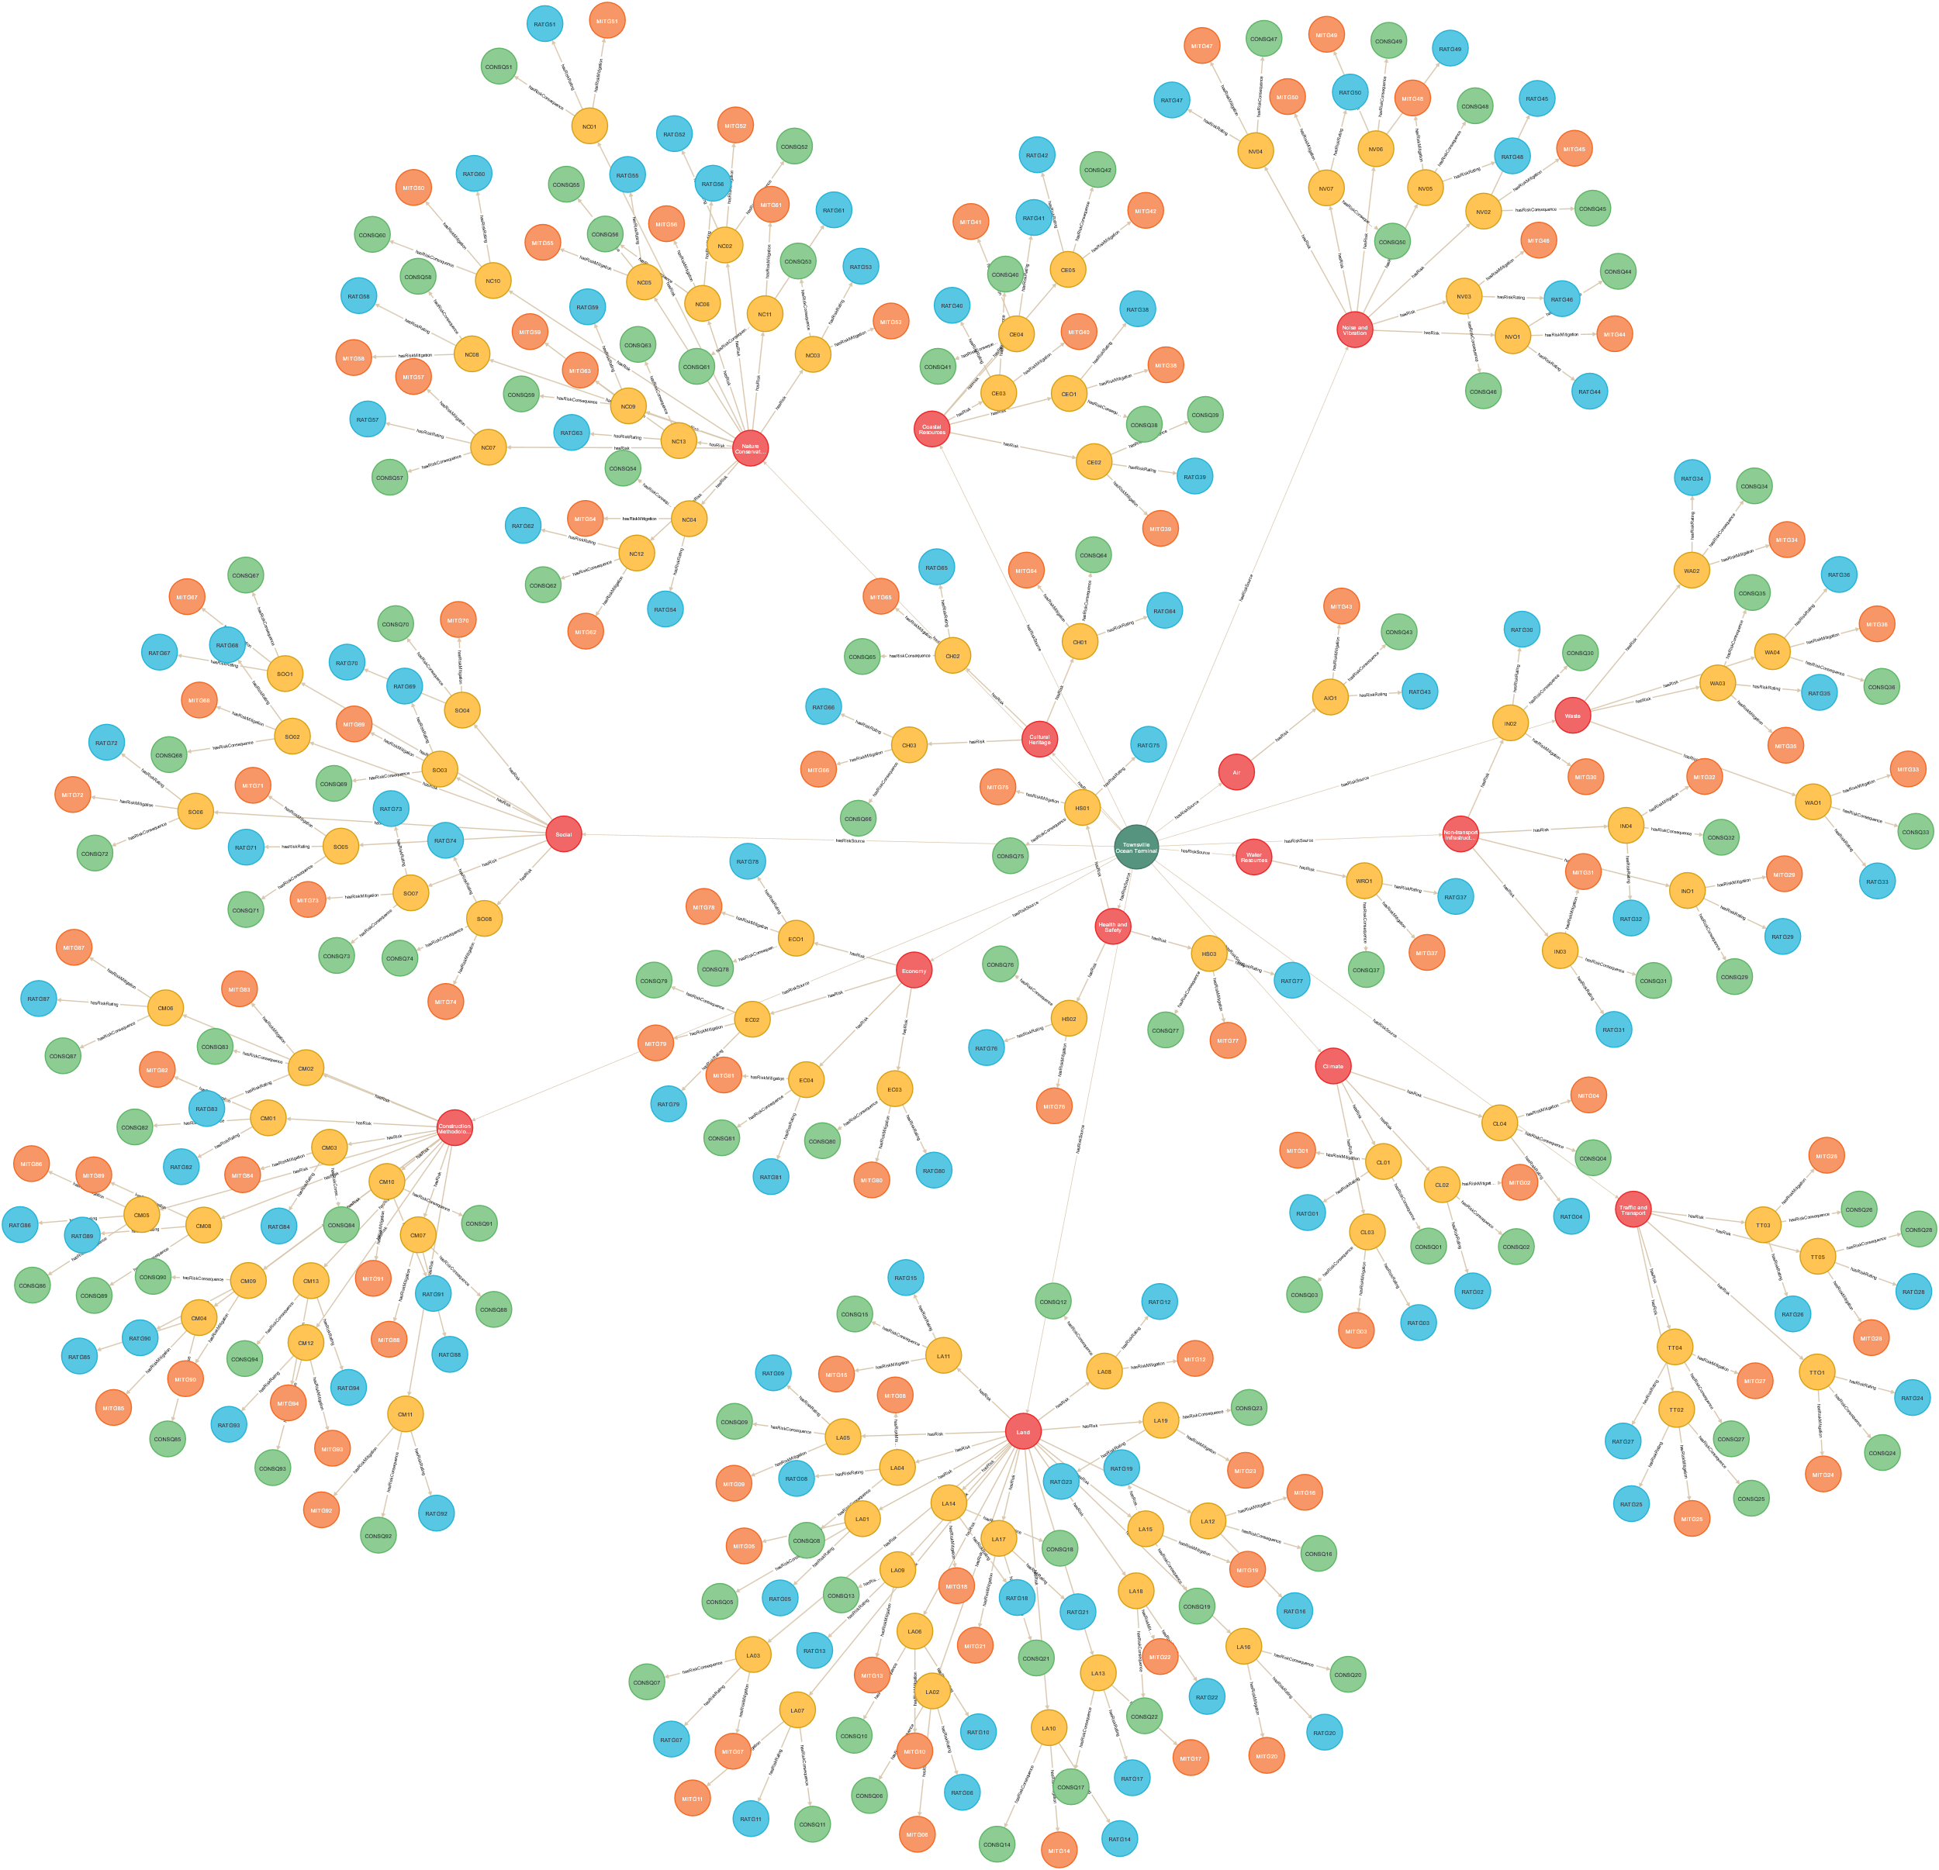

 |  | Table 1

 | S/N | Entity | Number
 | 1 | Project | 1
 | 2 | Risk source | 15
 | 3 | Risk | 94
 | 4 | Risk rating | 94
 | 5 | Risk consequence | 94
 | 6 | Risk mitigation | 94
 |  | Total | 392

 |  | Table 2

 | S/N | Relationship type | Number
 | 1 | hasRiskSource | 15
 | 2 | hasRisk | 94
 | 3 | hasRiskRating | 94
 | 4 | hasRiskConsequence | 94
 | 5 | highRiskMitigation | 94
 |  | Total | 391

 |  |  |  | Category | Entity or relationship type | Number | Total
 |  |  |  | Entity | Project | 1
 |  |  |  |  | Risk source | 15
 |  |  |  |  | Risk | 94
 |  |  |  |  | Risk rating | 94
 |  |  |  |  | Risk consequence | 94
 |  |  |  |  | Risk mitigation | 94 | 392
 |  |  |  | Relationship | hasRiskSource | 15
 |  |  |  |  | hasRisk | 94
 |  |  |  |  | hasRiskRating | 94
 |  |  |  |  | hasRiskConsequence | 94
 |  |  |  |  | highRiskMitigation | 94 | 391

Risk Source
S/N | RiskSource
1 | Economy | Fig 5 | PROJECT RISK SOURCES
2 | Nature Conservation
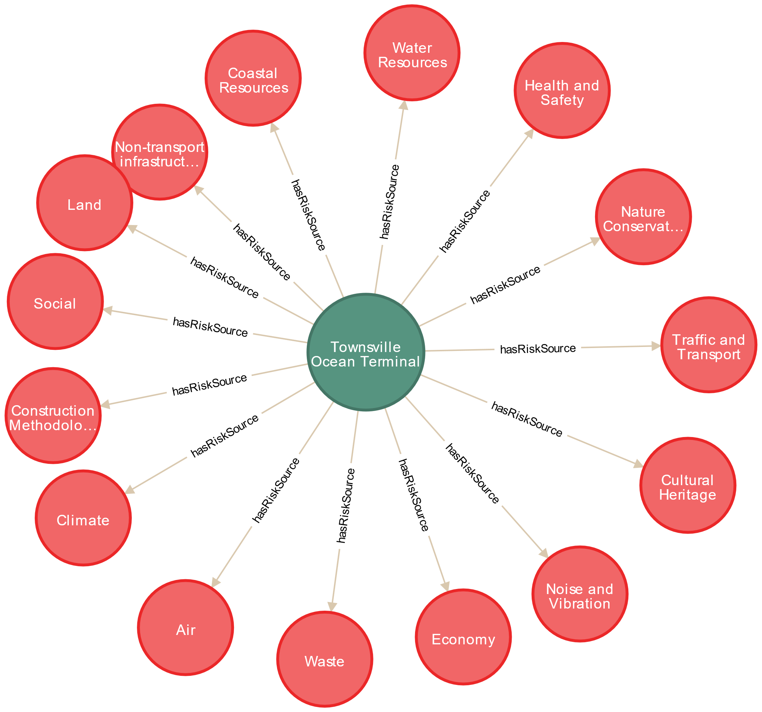
3 | Noise and Vibration
4 | Traffic and Transport
5 | Cultural Heritage
6 | Health and Safety
7 | Water Resources
8 | Non-transport infrastructure
9 | Social
10 | Construction Methodology
11 | Coastal Resources
12 | Air
13 | Waste
14 | Land
15 | Climate

Health&Safety H&S) Risks
 | Table 3
 |  | H&S Risks Visualization
RiskCode | Risk
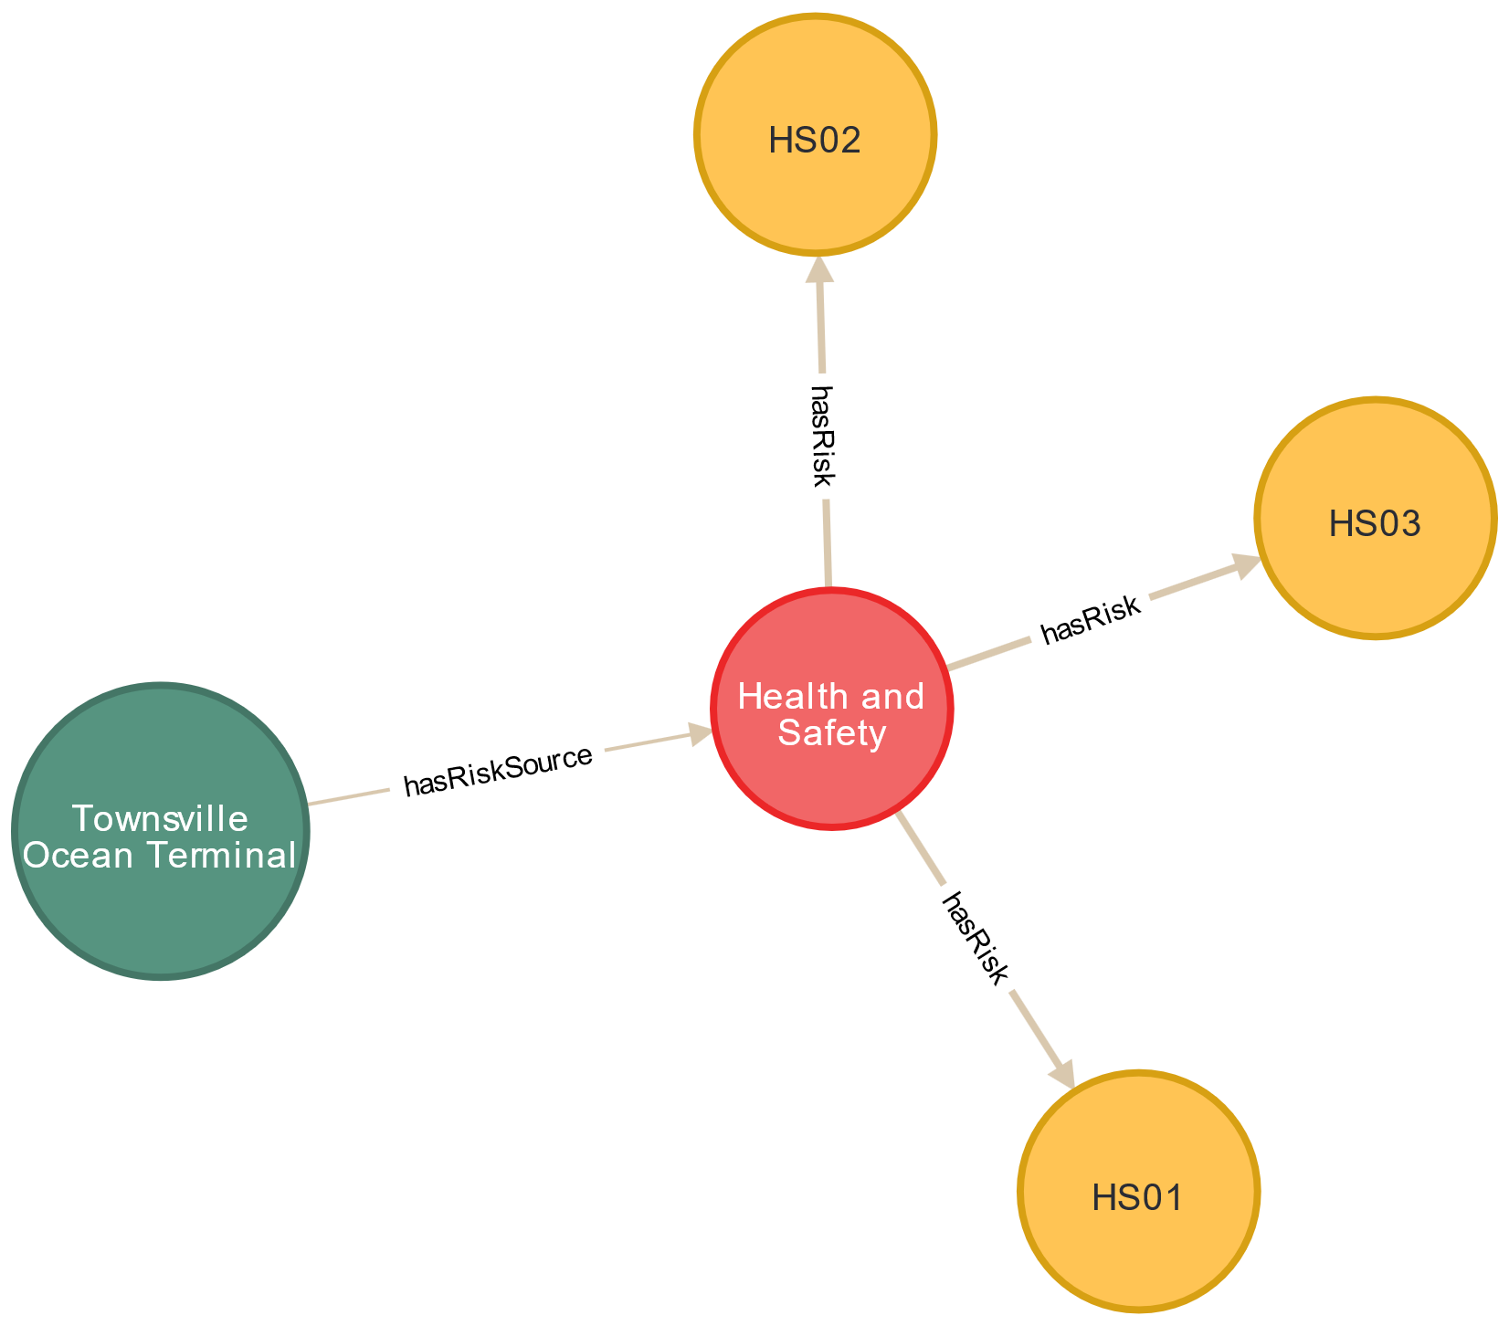
HS01 | Construction traffic.
HS03 | Construction health and safety.
HS02 | Public health and safety.

Risk Conseq. and Mitigation
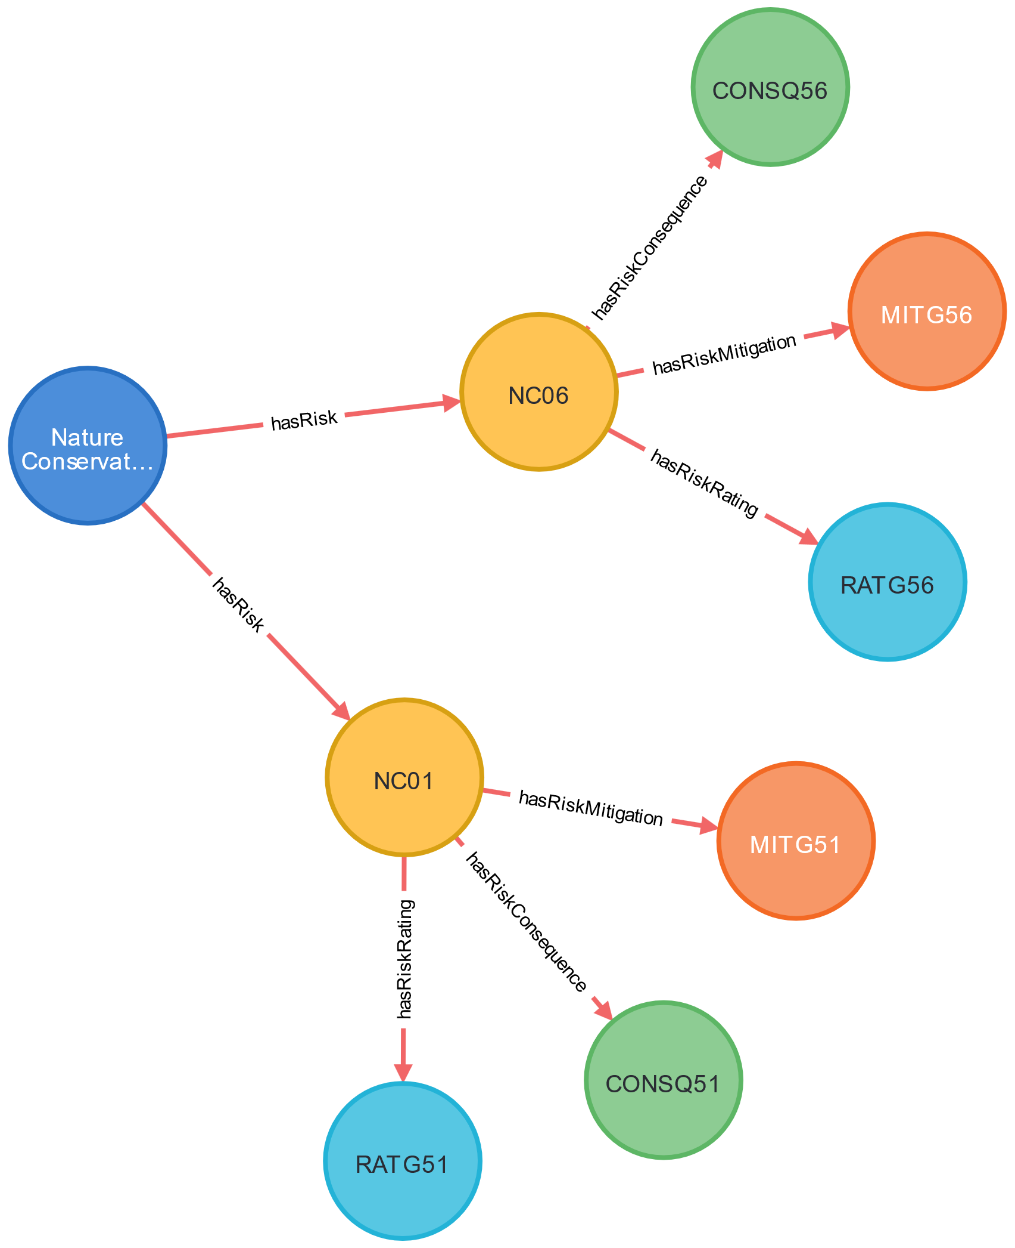
 |  | table 5

Risk Source | Risk Code | Risk | Risk Rating | Risk Consequence | Risk Mitigation
Nature Conservation | NC01 | Sediment destabilization through changes in sediment transport regime (e.g. dredging in adjacent areas). | Extreme | Seagrass impacts | Use of silt curtains during dredging and dredge protocols contained in project EMP.
Nature Conservation | NC06 | Noise pollution (impact on organisms relying on seagrass beds). | Extreme | Seagrass impacts | Visual survey of site to detect noise sensitive species prior to commencement of construction works. Dispersal of noise sensitive species using motorised vessel.
 |  |  |  | Risk Consequence and Mitigation

